検索
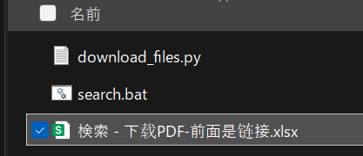
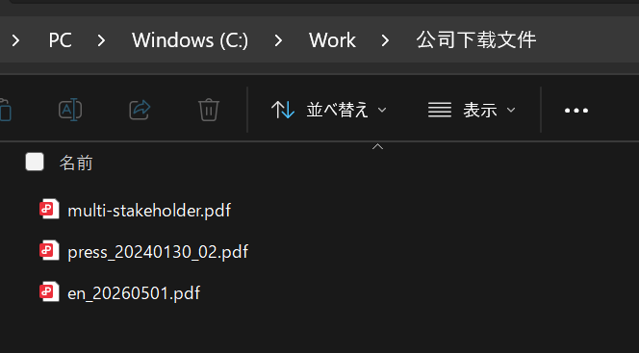
https://srh.westjr.co.jp/?ref=https%3A%2F%2Fwww.westjr.co.jp%2Finfrastructure%2F&kw=PDF&domain=westjr&ie=s&by=js

